Página1
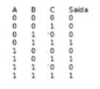
A | B | C | Saida
0 | 0 | 0 | 0 | ok
1 | 1 | 1 | 1 | ok
0 | 1 | 1 | 1 | ok
1 | 0 | 1 | 1 | ok
1 | 1 | 0 | 1 | ok
1 | 0 | 0 | 0 | ok
0 | 1 | 0 | 0 | ok
0 | 0 | 1 | 0 | ok

